Table1_PV_data
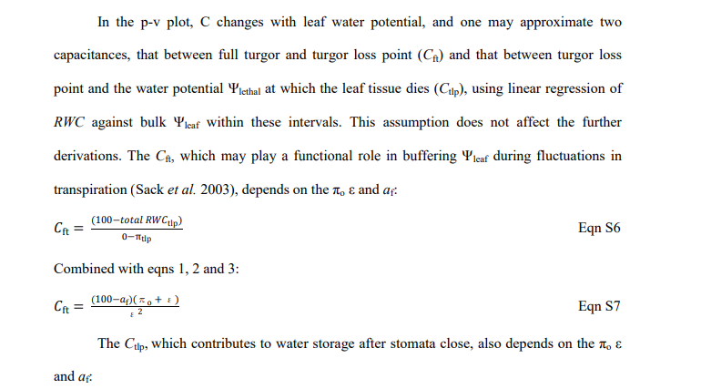
Rootstock | RWCtlp (%) | ROWCtlp (%) | Va/Vp | emax (MPa) | pi0 (Mpa) | Cft (Mpa^-1)
87MX1-2.2 | 77.31 | 53.19 | 1.23 | 6.29 | -1.427201 | 0.15898251192
87MX5-1.7 | 80.58 | 48.02 | 2.44 | 5.08 | -0.986536 | 0.1968503937
Elliott | 85.87 | 57.64 | 2.31 | 6.7 | -0.94671 | 0.14925373134
Frutoso | 80.69 | 65.11 | 0.89 | 7.05 | -1.361355 | 0.14184397163
Giles | 76.39 | 53.21 | 1.91 | 4.8 | -1.13328 | 0.20833333333
Major | 78.25 | 65.18 | 1.62 | 5.01 | -1.089675 | 0.1996007984
Moore | 78.17 | 53.62 | 1.13 | 4.65 | -1.015095 | 0.21505376344
Peruque | 66.21 | 33.13 | 1.22 | 3.01 | -1.017079 | 0.33222591362
Posey | 77.14 | 37.75 | 1.88 | 7.17 | -1.639062 | 0.13947001395
Riverside | 83.03 | 58.48 | 1.43 | 8.25 | -1.400025 | 0.12121212121
San Felipe | 85.1 | 53.99 | 2.27 | 7.14 | -1.06386 | 0.14005602241
VC1-68 | 77.91 | 44.69 | 1.58 | 4.47 | -0.987423 | 0.22371364653

